Sheet1
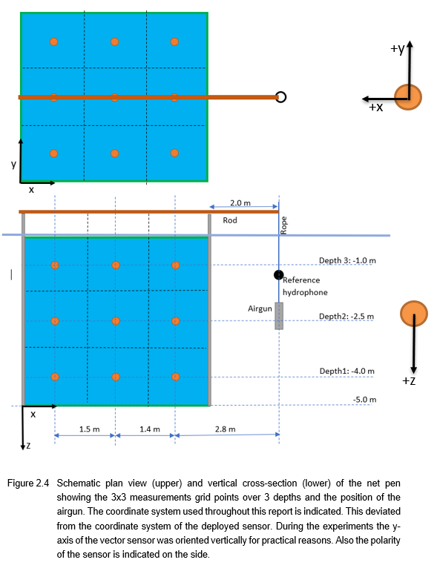
calm day | site 3 | airgun 10 in^3; 8 bar |  |  |  |  | rainy day | site 2 | airgun 10 in^3; 8 bar
 |  |  |  |  |  | direction
scan9_19.mat |  | channel |  | unit | depth [m] |  | meas2_70.mat |  |  | channel |  | unit | depth [m]
location (B,2) |  | 1 | B&K8106 | Pa | 1 |  | location (B,3) |  |  | 1 | B&K8106 | Pa | 1
 |  | 2 | B&K8106 | Pa | 4 |  |  |  |  | 2 | B&K8106 | Pa | 4
 |  | 3 | pmx | m/s^2 | 2.5 | horizontal away from source |  |  |  | 3 | pmx | m/s^2 | 2.5
 |  | 4 | pmy | m/s^2 | 2.5 | vertical | meas2_67.mat |  |  | 4 | pmy | m/s^2 | 2.5
 |  | 5 | pmz | m/s^2 | 2.5 | horizontal perpendicular to source | location (B,2) |  |  | 5 | pmz | m/s^2 | 2.5
 |  | 6 | pmp | Pa | 2.5 |  |  |  |  | 6 | pmp | Pa | 2.5
 |  | 7 | pref | Pa | 2 |  |  |  |  | 7 | pref | Pa | 2
 |  | 8 | trigger | V | - |  | meas2_52.mat |  |  | 8 | trigger | V | -
 |  |  |  |  |  |  | location (B,1)

scan9_22.mat
location (B,1)

sample freq |  | 65536 | Hz

 |  |  | scan3_id | scan5_id | scan8_id | scan10_id |  |  |  |  | meas1_id
 |  |  | scan4_id | scan6_id | scan9_id | scan11_id | Depth of sensors |  |  |  | meas2_id
 | SITE3 |  |  |  |  |  |  |  |  |  |  |  |  | SITE2
 |  |  | 3 | 2 | 1 |  |  | depth [m] |  |  | 3 | 2 | 1
 |  | t | 37 | 40 | 60 |  | 8106_1 | 1 |  | C |  | 28
 |  | B | 19 | 16 | 1 |  | 8106_2 | 2.5 |  | B | 25 | 2 | 22
 |  | A | 13 | 16 | 31 |  | pm | 4 |  | A |  | 12

 |  |  | 3 | 2 | 1 |  |  | depth [m] |  |  | 3 | 2 | 1
 |  | C | 58 | 55 | 37 |  | 8106_1 | 1 |  | C |  | 88
 |  | B | 1 | 19 | 22 |  | pm | 2.5 |  | B | 70 | 67 | 52
 |  | A | 10 | 1 | 7 |  | 8106_2 | 4 |  | A |  | 49

 |  |  | 3 | 2 | 1 |  |  | depth [m] |  |  | 3 | 2 | 1
 |  | C | 34 | 21 | 16 |  | pm | 1.1 |  | C |  | 127
 |  | B | 37 | 37 | 1 |  | 8106_1 | 2.5 |  | B | 124 | 109 | 106
 |  | A | 31 | 11 | 8 |  | 8106_2 | 4 |  | A |  | 91

